SPEC LIST
Model No. |  | P41 | A22
Product Description |  | Plastic infrared cooker | Aluminum infrared cooker
Image |  | 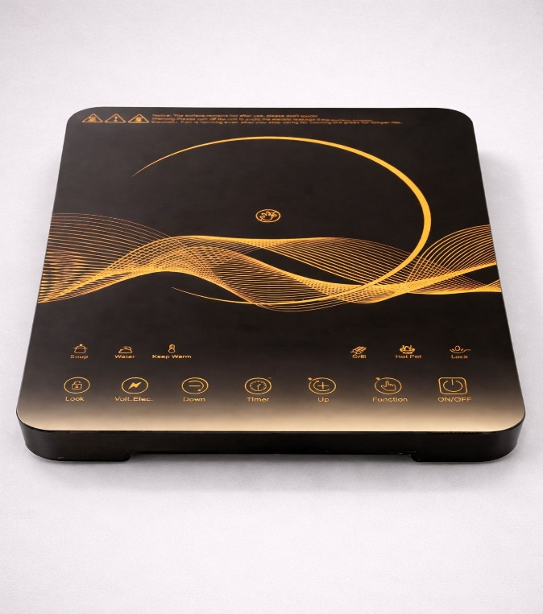 | 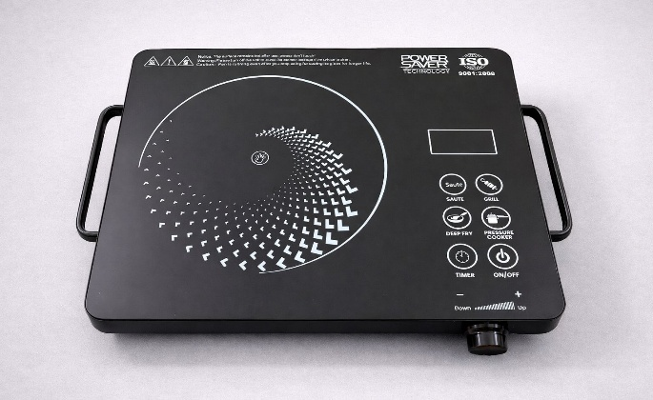 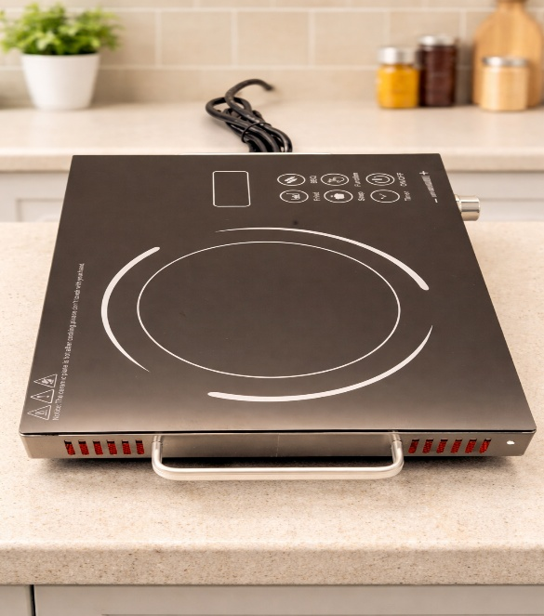
Component Name |  | Specification | Specification
Supply voltage / Frequency |  | 230V, 50Hz | 230V, 50Hz
Power | Display | 2,000W / 650℃ | 2,000W / 700℃
 | Actual testing | 2,000W (+5%, -10%) | 2,000W (+5%, -10%)
Weight of product |  | 2,240g | 2,340g
Colour |  | Black / Golden touch panel | Black / White touch panel
Plate | Type | Polished Crystal Glass | Polished Crystal Glass
 | Size | 290*370*3.6mm | 280*360*3.6mm
Feature |  | Touch control 6 preset menu/7 spring/8 lights 4 LED display | Touch control 6 preset menu/ 6 spring/6 lights/1 control knob 4 LED display
Accessories |  | NA | NA
FAN |  | Model: BI-12 DC18V 0.20A | Model: BI-09 DC18V 0.22A
Fan RPM |  | 3,200RPM | 2,200RPM
Thermal fuse |  | 15A/250V, ceramic type size: 5×20mm | 15A/ 250V, ceramic type size: 5×20mm
SCR |  | HUANGSHAN 16A-800V BTB16 Size: 15×10×4.5mm | HUANGSHAN 16A-800V BTB16 Size: 15×10×4.5mm
Safety regulation capacitor Capacitor |  | 0.1μF X2 275VAC 40/100/21 Maker BM or TC Size: 17.5×5.5×7mm | 0.1μF X2 275VAC 40/100/21 Maker BM or TC Size: 17.5×5.5×7mm
MOV |  | 14D471 | 14D471
IC |  | DTLSP16 | DTLSP16
POWER IC |  | DZ-12A/PN3912/FSD12A Size: 9.5×8.5×4.5mm | DZ-12A/PN3912/FSD12A Size: 9.5×8.5×4.5mm
CONTROL PANEL IC |  | YUANMI XSSP20 | YUANMI XSSP20
LED BOARD |  | 94V0 | 94V0
ADAPTOR |  | EE13.2.0MH | EE13.2.0MH
PCB SIZE |  | Main PCB: 99*73*1.5mm Display PCB: 240*60*1.5mm | Main PCB: 99*73*1.5mm Display PCB: 142*56*1.5mm
CONNECTION METHOD (POWER CORD & HEATING COIL) |  | Screw fixing | Screw fixing
HEATING COIL DETAILS | Connection to PCB | Screw fixing | Screw fixing
 | WEIGHT OF COIL | 391.5g | 391.5g
 | POWER OF COIL | 230V, 2000W | 230V, 2000W
 | CIRCLES OF COIL | 10 circles | 10 circles
 | DIAMETER OF STRANDS | Outer diameter 20mm High 31mm Inner diameter 17.5mm | Outer diameter 20mm High 31mm Inner diameter 17.5mm
 | LINE LENGTH OF COIL | 16 mm | 16 mm
4KVA testing |  | Passed | Passed
Other material |  | Plastic body | Aluminum body & Aluminum handle & Aluminum knob
Power Cord | Details
 | Total length of Power Cord | 1.25 Meter | 1.25 Meter
 | Power Cord Effective Length | 1.1 Meter | 1.1 Meter
 | Colour of cord and Type | Black | Black
 | Number of strands | 16 | 16
 | Thickness of strand | 0.193 | 0.193
 | Cross section area of power cord | 1 | 1
 | Cord plug - 3 Pin | 3 Pin 3 Core | 3 Pin 3 Core
 | Notice label stuck near plug | No | No
Carton | Master carton Dimension
 | Unit carton Dimension
 | Master carton Nos. of ply
 | Unit carton Nos. of ply

